WEO Update January 2025
 | 2025-01-17

International Monetary Fund
World Economic Outlook
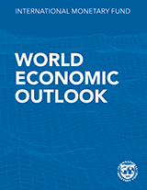

January 2025
World Economic Outlook Update

This file includes charts and tables from the January 2025 World Economic Outlook Update.
When reusing the contents of this file, please refer the source as
IMF, World Economic Outlook Update, January 2025
Further information on copyright and usage can be found at www.imf.org/external/terms.htm
For questions specific to World Economic Outlooks, refer FAQ or send them using
WEO Data Question Form
World Economic Outlook Frequently Asked Questions

